Fresh Fruit
Fresh Fruit Company Shipping charges

Shipping per unit | $1.75

Gift Item | Units | Shipping
Crate of Oranges | 4
Basket of Apples | 3
Fruit Assortment Crate | 5
Seasonal Fruit Basket | 7

Put a formula in cell C6 to find the amount of the shipping. The shipping is found for each gift item by taking the units and multiplying by the Shipping per unit.
--What cell needs to stay the same in each formula?
--How do you make a cell absolute in your formula?

Time Sheet
Time Sheet

Hourly Pay Rate | $6.50

Date | Hours Worked | Gross Pay

2002-09-10 | 3.5
2002-09-11 | 4
2002-09-17 | 6.25
2002-09-18 | 3
2002-09-24 | 4
2002-09-25 | 5

Find the gross pay for each date by taking the hours worked * the hourly pay rate.
Use an absolute cell reference in your formula so your can copy your formula to each date.

Gold Prices

Gold Prices
 | Price per ounce |  | $1,342.97

 | Ounces | Total Price
Sam | 2.4
Jim | 3.2
Rebecca | 1.4
John | 2.6
Kathy | 5.2
Fred | 3.8
Phillip | 2.1

Bowling
Which cell will always be the same in the formula? Use the paint bucket to make that cell green. Then, enter a formula in cell D3 that can be copied to the cells below using the fill handle. Remember to use an absolute cell reference in the formula (F4).
 | Bowling Calculations
 | Name | Games Played | Total Cost
 | Denise | 2
 | Harold | 1
 | Dat | 3
 | Alisha | 2
 | Ray | 4
 | Julie | 3
 | Hang | 1
 | Isar | 3
 | Ana Maria | 2

Cost Per Game | $2.75

Crazy Cat
Crazy Cat Costs
 |  | % of Total
Adoption Fee | $85.00
Spay / Neuter Cost | $40.00
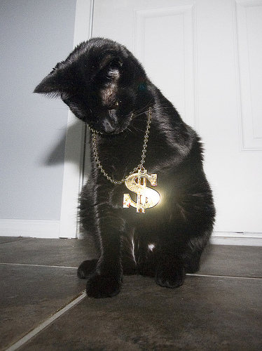
Vaccinations | $30.00
Food | $25.00
Kitty Litter | $10.00
Litter Box | $20.00
Licensing | $15.00
Collar | $5.00
Toys | $10.00
Miscellaneous | $15.00
Total | $255.00

Candy
US Candy Sales
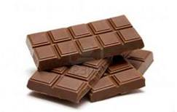
 | Sales | % of Total
KitKat | $66,052.81
Milky Way | $81,295.93
Snickers | $87,925.12
Twix | $42,894.76
3 Muskateers | $28,104.32
Starburst | $37,389.62
Mounds | $28,475.86
Skittles | $58,363.88
Total

