Instructions
TITLE |  | FORENSIC ACCOUNTING
 |  | Chapter 10
ANALYSIS PIVOTCHART |  | The Data worksheet contains a table of sales data provided by the client. You will create a PivotChart on the PivotChart worksheet to analyze the data.
STEPS | 1 | Read all steps before working with this workbook.
 | 2 | Click the Data worksheet tab to view the sales data.
 | 3 | Key your name in cell C2.
 |  | To create a PivotChart:
 | 4 | Click on any single cell in the data.
 | 5 | On the Insert tab in the Tables group, select the arrow under PivotTable, and select PivotChart. The Create PivotTable with PivotChart window appears.
 | 6 | Select the Existing Worksheet option.
 | 7 | Navigate to the PivotChart worksheet, click on cell A6, and click OK. Your worksheet should appear similar to the following image.
 |  | 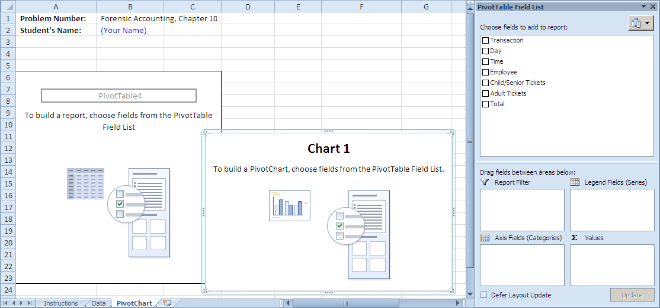
 |  | To answer question #1:
 | 8 | In the PivotTable Field List, click and drag Employee to the Legend Fields (Series) box.
 | 9 | Click and drag Time to the Axis Fields (Categories) box.
 | 10 | Click and drag Total to the Values box. Your field list should appear as follows.
 |  | 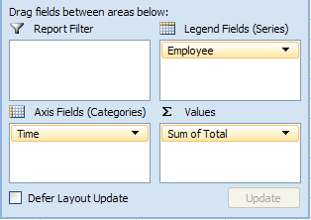
 | 11 | Right click on any Time value in column A.
 | 12 | Select Group.
 | 13 | Click Month to unselect it, then select Hours.
 |  | 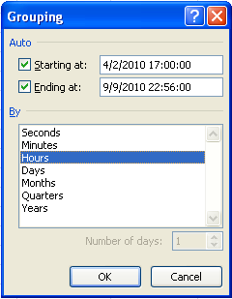
 | 14 | Click OK. The PivotChart displays the hourly sales by employee.
 | 15 | Examine the PivotChart to answer the question.
 | 16 | Print the PivotChart worksheet solution, as instructed by your teacher.
 | 17 | Save your work.

