Instructions
TITLE |  | FORENSIC ACCOUNTING
 |  | Chapter 8
DATA RESULTS |  | The Data worksheet contains sales transactions for the past fiscal year. The Results worksheet will be used to prepare of list of transactions that should be examined.
STEPS | 1 | Read all steps before working with this workbook.
 | 2 | Click the Data worksheet tab to view the sales transactions.
 | 3 | Key your name in cell C2.
 |  | To select the filter tool:
 | 4 | Click any single cell in the list of transactions.
 | 5 | On the Home tab in the Styles group, select Format as Table.
 | 6 | Click on any of the color styles.
 | 7 | Ensure the My table has headers box is checked in the Format as Table dialog box.
 | 8 | Click OK. The data table appears similar to the following screen. Note that filter buttons appear adjacent to each column header.

 |  | To calculate the difference between the transaction and post dates:
 | 9 | Enter the heading Date Difference in cell G4.
 | 10 | Create a formula in cell G5 to subtract the Transaction Date from the Post Date. The formula will use table references to identify the cells, as shown below.

 | 11 | Press Enter. The formula is automatically copied down the column.
 |  | To select transactions having different transaction and post dates:
 | 12 | Click on the filter button in the Date Difference header in cell G4.
 | 13 | Unselect zero from the list of values, as shown below.
 |  | 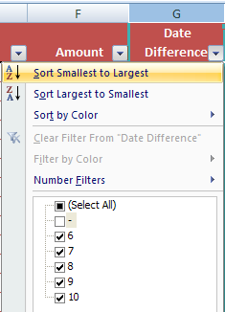
 | 14 | Click OK.
 | 15 | Copy the filtered table to cell A4 of the Results worksheet. Adjust the column widths as appropriate to propertly display the transaction information.
 |  | To identify transactions entered after normal working hours:
 | 16 | Return to the Data worksheet.
 | 17 | Click on the filter button in the Date Difference header in cell G4.
 | 18 | Select Clear Filter From "Date Difference".
 | 19 | Click on the filter button in the Time column header in cell D4.
 | 20 | Select Number Filters and Custom Filter.
 | 21 | Enter the filter parameters exactly as shown in the following Custom AutoFilter dialog box.
 |  | 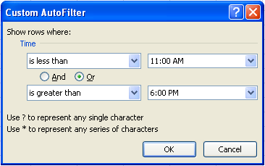
 | 22 | Click OK.
 | 23 | Copy the filtered table, excluding the headings in row 4, to the next available row under the transactions in the Results worksheet.
 |  | The Results worksheet now contains the transactions selected by the two tests. Some of the transactions were selected by each test. To remove these duplicates from the list:
 | 24 | Click on any single cell in the transaction data on the Results worksheet.
 | 25 | On the Data tab in the Data Tools group, select Remove Duplicates.
 | 26 | Click OK.
 | 27 | Sort the remaining transactions in ascending order by Invoice.
 |  | The Results worksheet now contains a complete list of any transaction that met either or both of the tests. This list would be used by a forensic accountant to perform other tests, such as an examination of the source documents and confirming the sale with the customer.
 | 28 | Print the first page of the Results worksheet, as instructed by your teacher.
 | 29 | Save your work.

